Instructions
HOW TO USE IMPORT FOR REQUISITIONS
1 | Use the template to enter (or copy and paste) your order. Use Concatenate to combine columns if need (see below for more).
2 | You only need four items to import (M/N, Description, Quantity and unit cost)
3 | In column A, enter an M to order goods/services. Enter an N to enter a narrative
4 | Column B - Enter the description of the items (may include item number, description of items)
5 | NOTE - Descriptions MAY NOT contain ANY commas. If it does have commas, use find/replace. Find a , and replace with "a blank space"- just hit the space bar onces - solves the issue
6 | Column C - Enter the total Quantity
7 | Column D - Enter the Unit Cost
8 | Once finished, saved file as CSV format (Keep scrolling for more instruction)
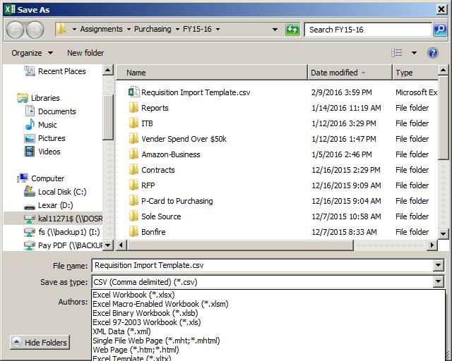

9 | Once a requisition is created, click import detail lines.
10 | Select the CSV file you created, click Run.
11 | You will see a PDF confirmation. The confirmation should NOT show any errors. Once you close it you will see your items in Skyward. If it does show errors, something was entered incorrectly
12 | If you have an error, check your file. Make sure you don't have commas in the descriptions. Also check to make sure all columns (A-D) are filed out.
13 | Total the lines items in Excel to make sure the total matches the requisition in Skyward.

CONCATENATE |  | EXAMPLE | Title | ISBN | NEW
1 | Identify the columns you wish to combine |  | Mouse House | ISBN 451351.55411 | Mouse House ISBN 451351.55411
2 | Use an empty column to create your merged information |  | 123 ABC | ISBN 324432323444 | 123 ABC ISBN 324432323444
3 | In the first blank cell, enter the following formula (=concatenate(A1, B1)
4 | A1 & B1 will change based on your data, in order to combine the cells, enter each cell followed by a comma.
5 | To add a space to your data, enter like this (=Concatenate(A1, " ", B2). Use quotation marks to include any text, including spaces
6 | Once your formula works, copy it down for all rows
7 | Use this new column to copy and paste into the Requisition Import template
8 | Remember to past values, so that you only past the text and not the formula when moving it to your import template.

